Sheet1
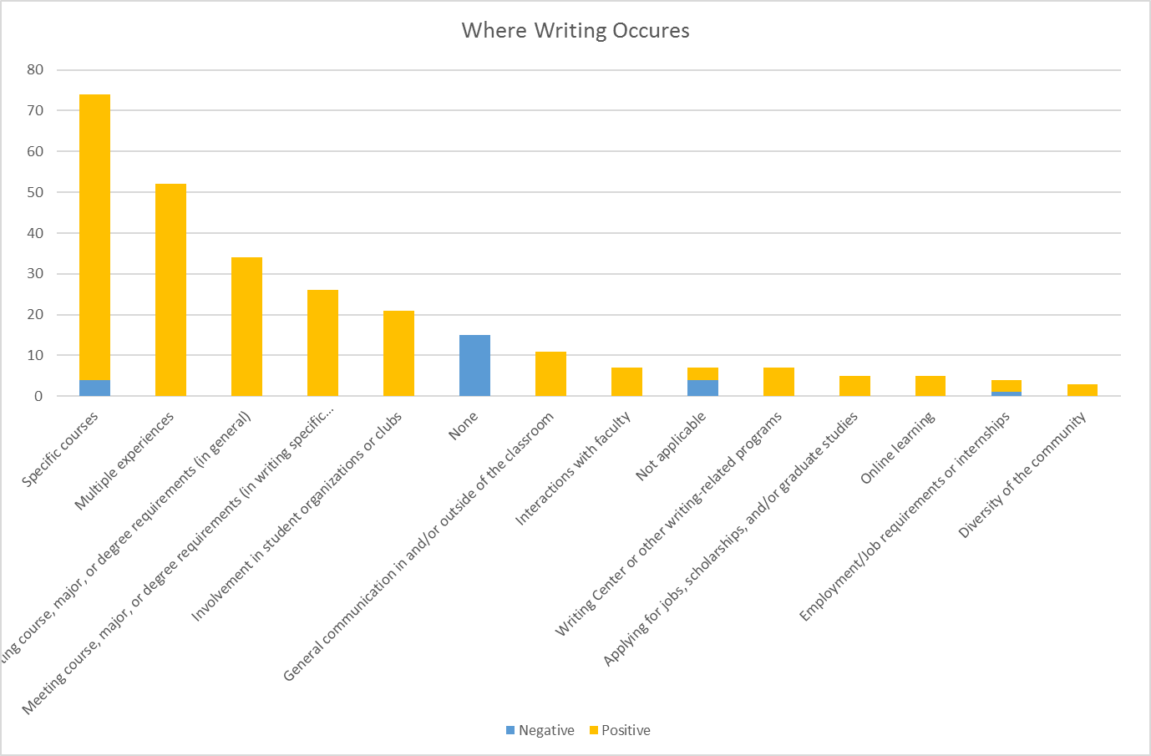
Category | Negative | Positive | Total | Negative | % of Total | % Positive
Specific courses | 4 | 70 | 74 | 5.41% | 27% | 95%
Applying for jobs, scholarships, and/or graduate studies | 0 | 5 | 5 | 0.00% | 2% | 100%
Diversity of the community | 0 | 3 | 3 | 0.00% | 1% | 100%
Employment/Job requirements or internships | 1 | 3 | 4 | 25.00% | 1% | 75%
General communication in and/or outside of the classroom | 0 | 11 | 11 | 0.00% | 4% | 100%
Interactions with faculty | 0 | 7 | 7 | 0.00% | 3% | 100%
Involvement in student organizations or clubs | 0 | 21 | 21 | 0.00% | 8% | 100%
Meeting course, major, or degree requirements (in general) | 0 | 34 | 34 | 0.00% | 13% | 100%
Meeting course, major, or degree requirements (in writing specific courses) | 0 | 26 | 26 | 0.00% | 10% | 100%
Multiple experiences | 0 | 52 | 52 | 0.00% | 19% | 100%
None | 15 | 0 | 15 | 100.00% | 6% | 0%
Not applicable | 4 | 3 | 7 | 57.14% | 3% | 43%
Online learning | 0 | 5 | 5 | 0.00% | 2% | 100%
Writing Center or other writing-related programs | 0 | 7 | 7 | 0.00% | 3% | 100%
Total/Average | 21 | 250 | 271 | 7.75% | 100% | 92%

